ID 3 (Iterative Dichotomiser)
 |  |  |  |  |  |  |  | Decision Tree

List down Some popular algorithm used for deriving decision tree along with their attribute selection measure

1. ID 3 [ Iterative Dichotomiser] :- Uses Entropy and Information Gain as attribute as a selection measure
2. C 4.5 [successor of ID 3] :- uses Entropy and Gain Ratio as attribute selection measure
3. CART [Classification and Regression Tree] :- Uses Gini index as attribute selection measure

Day | Outlook | Temp. | Humidity | Wind | Decision |  | Use Case:- Forecast whether the match will be played or not according to the weather condition
1 | Sunny | Hot | High | Weak | No
2 | Sunny | Hot | High | Strong | No
3 | Overcast | Hot | High | Weak | Yes
4 | Rain | Mild | High | Weak | Yes
5 | Rain | Cool | Normal | Weak | Yes
6 | Rain | Cool | Normal | Strong | No
7 | Overcast | Cool | Normal | Strong | Yes
8 | Sunny | Mild | High | Weak | No
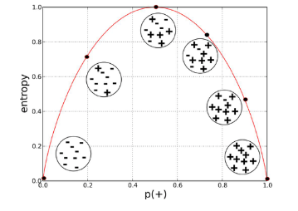
9 | Sunny | Cool | Normal | Weak | Yes
10 | Rain | Mild | Normal | Weak | Yes
11 | Sunny | Mild | Normal | Strong | Yes
12 | Overcast | Mild | High | Strong | Yes
13 | Overcast | Hot | Normal | Weak | Yes
14 | Rain | Mild | High | Strong | No

 | We can summarize the ID3 algorithm as illustrated below

 | Entropy
 | Entropy is used for checking the impurity or uncertainty present in the data. The Entropy is 0 when the dataset is completely homogeneous, meaning that each instance belongs to the same class. It is the lowest entropy indicating no uncertainty in the dataset sample. When the dataset is equally divided between multiple classes, the entropy is at its maximum value. Therefore, entropy is highest when the distribution of class labels is even, indicating maximum uncertainty in the dataset sample. Entropy is used to evaluate the quality of a split. When the Entropy is zero then the sample is completely homogenous and Entropy is One when the sample is equally divided between different classes.

 |  |  |  |  |  |  | Entropy(S) = ∑ – p(I) . log2p(I)

 | Information Gain

 | Information Gain indicates how much information a particular feature/ variable give us about the final outcome. It measures the reduction in Entropy before and after split on a subset, The more the information gain the better the model,

 |  |  |  |  | Gain(S, A) = Entropy(S) – ∑ [ p(S|A) . Entropy(S|A) ]
 |  |  |  |  |  |  |  |  |  |  |  | ( or )

 | Entropy
 | We need to calculate the entropy first. Decision column consists of 14 instances and includes two labels: yes and no. There are 9 decisions labeled yes, and 5 decisions labeled no.

 |  | Entropy(Decision) = – p(Yes) . log2p(Yes) – p(No) . log2p(No)

 |  | Entropy(Decision) = – (9/14) . log2(9/14) – (5/14) . log2(5/14) = 0.940

 |  | Entropy (Decision) = |  | 0.94028595867

 | Now will see all the posible combination to perfrom the decision tree which root node is best for building the model. So we are going to perfrom the information gain for each variable as a root nood

 | While selecting the decision tree root node should be more significant

Outlook
Temperature
Humidity
Wind
 | 1 |  |  |  |  |  |  | 2 |  |  |  |  |  | 3 |  |  |  |  | 4

 | Sunny |  | Overcast |  | Rain |  |  | Hot |  | Mild |  | Cool |  |  | High |  | Normal |  |  | Weak |  | Storng
 | yes = | 2 | yes = | 4 | yes = | 3 |  | yes = | 2 | yes = | 4 | yes = | 3 |  | yes = | 3 | yes = | 6 |  | yes = | 6 | yes = | 3
 | No = | 3 | No = | 0 | No = | 2 |  | No = | 2 | No = | 2 | No = | 1 |  | No = | 4 | No = | 1 |  | No = | 2 | No = | 3

 | Impure subsplit |  | Pure subsplit |  | Impure subsplit |  |  | Impure subsplit |  | Impure subsplit |  | Impure subsplit |  |  | Impure subsplit |  | Impure subsplit |  |  | Impure subsplit |  | Impure subsplit

 | These many can be possible root node, Now will find the information gain for each selecting root node variables, The variable which results in highest information gain must be choosen as an best variable to splits the data

 | Information Gain of Attribute Windy

 | From the total 14 instances we have

 | * 8 instance 'Weak' ---> (yes - 6, No - 2)
 | * 6 instance 'Strong' ---> (yes - 3, No -3)

 | Gain(Decision, Wind) = Entropy(Decision) – ∑ [ p(Decision|Wind) . Entropy(Decision|Wind) ]

 | Wind attribute has two labels: weak and strong. We would reflect it to the formula.

 | Wind = Week |  | * 8 instance 'Weak' ---> (yes - 6, No - 2)

 | Gain(Decision, Wind) = Entropy(Decision) – [ p(Decision|Wind=Weak) . Entropy(Decision|Wind=Weak) ] – [ p(Decision|Wind=Strong) . Entropy(Decision|Wind=Strong) ]

 | 1- Entropy(Decision|Wind=Weak) = – p(No) . log2p(No) – p(Yes) . log2p(Yes)
 | 2- Entropy(Decision|Wind=Weak) = – (2/8) . log2(2/8) – (6/8) . log2(6/8)
 | Entropy(Decision|Wind=Weak) = |  |  | 0.81127812446

 | Wind = Strong |  | * 6 instance 'Strong' ---> (yes - 3, No -3)

 | 1- Entropy(Decision|Wind=Strong) = – p(No) . log2p(No) – p(Yes) . log2p(Yes)
 | 2- Entropy(Decision|Wind=Strong) = – (3/6) . log2(3/6) – (3/6) . log2(3/6) = 1
 | Entropy(Decision|Wind=Strong) = |  |  | 1

 | Now, we can turn back to Gain(Decision, Wind) equation.

 | Gain(Decision, Wind) = Entropy(Decision) – [ p(Decision|Wind=Weak) . Entropy(Decision|Wind=Weak) ] – [ p(Decision|Wind=Strong) . Entropy(Decision|Wind=Strong) ]

 | Gain(Decision, Wind) = |  | 0.940 – [ (8/14) . 0.811 ] – [ (6/14). 1]
 | Gain(Decision, Wind) = |  | 0.048127030408

 | Calculations for wind column is over. Now, we need to apply same calculations for other columns to find the most dominant factor on decision.

 | Other factors on decision

 | We have applied similar calculation on the other columns.

 | 1- Gain(Decision, Outlook) = 0.246
 | 2- Gain(Decision, Temperature) = 0.029
 | 3- Gain(Decision, Humidity) = 0.151

 | As seen, outlook factor on decision produces the highest score. That’s why, outlook decision will appear in the root node of the tree.
Root Node

Outlook

Sunny
Rain
Overcast

 | Now, we need to test dataset for custom subsets of outlook attribute.

 | Overcast outlook on decision

 | Basically, decision will always be yes if outlook were overcast.

 | Day | Outlook | Temp. | Humidity | Wind | Decision
 | 3 | Overcast | Hot | High | Weak | Yes
 | 7 | Overcast | Cool | Normal | Strong | Yes
 | 12 | Overcast | Mild | High | Strong | Yes
 | 13 | Overcast | Hot | Normal | Weak | Yes

 | Sunny outlook on decision

 | Day | Outlook | Temp. | Humidity | Wind | Decision
 | 1 | Sunny | Hot | High | Weak | No
 | 2 | Sunny | Hot | High | Strong | No
 | 8 | Sunny | Mild | High | Weak | No
 | 9 | Sunny | Cool | Normal | Weak | Yes
 | 11 | Sunny | Mild | Normal | Strong | Yes

 | Here, there are 5 instances for sunny outlook. Decision would be probably 3/5 percent no, 2/5 percent yes.

 | 1- Gain(Outlook=Sunny|Temperature) = 0.570
 | 2- Gain(Outlook=Sunny|Humidity) = 0.970
 | 3- Gain(Outlook=Sunny|Wind) = 0.019

 | Now, humidity is the decision because it produces the highest score if outlook were sunny.

 | At this point, decision will always be no if humidity were high.

 | Day | Outlook | Temp. | Humidity | Wind | Decision
 | 1 | Sunny | Hot | High | Weak | No
 | 2 | Sunny | Hot | High | Strong | No
 | 8 | Sunny | Mild | High | Weak | No

 | On the other hand, decision will always be yes if humidity were normal

 | Day | Outlook | Temp. | Humidity | Wind | Decision
 | 9 | Sunny | Cool | Normal | Weak | Yes
 | 11 | Sunny | Mild | Normal | Strong | Yes

 | Finally, it means that we need to check the humidity and decide if outlook were sunny.

 | Rain outlook on decision

 | Day | Outlook | Temp. | Humidity | Wind | Decision
 | 4 | Rain | Mild | High | Weak | Yes
 | 5 | Rain | Cool | Normal | Weak | Yes
 | 6 | Rain | Cool | Normal | Strong | No
 | 10 | Rain | Mild | Normal | Weak | Yes
 | 14 | Rain | Mild | High | Strong | No

 | 1- Gain(Outlook=Rain | Temperature) = 0.01997309402197489
 | 2- Gain(Outlook=Rain | Humidity) = 0.01997309402197489
 | 3- Gain(Outlook=Rain | Wind) = 0.9709505944546686

 | Here, wind produces the highest score if outlook were rain. That’s why, we need to check wind attribute in 2nd level if outlook were rain.

 | So, it is revealed that decision will always be yes if wind were weak and outlook were rain.

 | Day | Outlook | Temp. | Humidity | Wind | Decision
 | 4 | Rain | Mild | High | Weak | Yes
 | 5 | Rain | Cool | Normal | Weak | Yes
 | 10 | Rain | Mild | Normal | Weak | Yes

 | What’s more, decision will be always no if wind were strong and outlook were rain.

 | Day | Outlook | Temp. | Humidity | Wind | Decision
 | 6 | Rain | Cool | Normal | Strong | No
 | 14 | Rain | Mild | High | Strong | No

 | So, decision tree construction is over. We can use the following rules for decisioning.

Outlook

Sunny
Rain
Overcast

Humidity
Yes
Wind

High
Normal
Strong
Weak

No
Yes
No
Yes

C 4.5 (Successor of ID3)
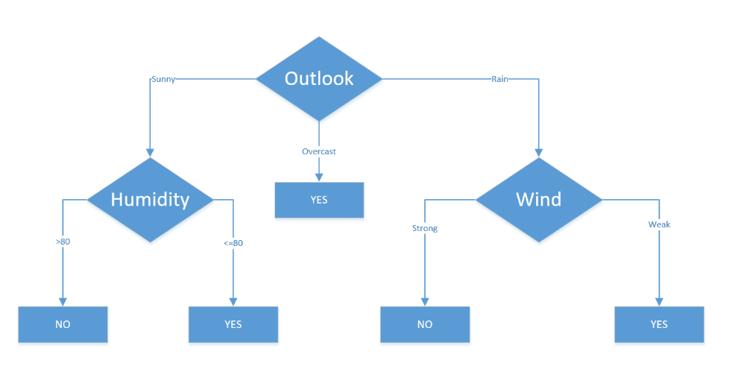
C 4.5 [successor of ID 3] :- uses Entropy and Gain Ratio as attribute selection measure

Day | Outlook | Temp. | Humidity | Wind | Decision |  | We are going to create a decision table for the following dataset. It informs about decision making factors to play tennis at outside for previous 14 days. The dataset might be familiar from the ID3. The difference is that temperature and humidity columns have continuous values instead of category.
1 | Sunny | Hot | High | Weak | No
2 | Sunny | Hot | High | Strong | No
3 | Overcast | Hot | High | Weak | Yes
4 | Rain | Mild | High | Weak | Yes
5 | Rain | Cool | Normal | Weak | Yes
6 | Rain | Cool | Normal | Strong | No
7 | Overcast | Cool | Normal | Strong | Yes
8 | Sunny | Mild | High | Weak | No
9 | Sunny | Cool | Normal | Weak | Yes
10 | Rain | Mild | Normal | Weak | Yes
11 | Sunny | Mild | Normal | Strong | Yes
12 | Overcast | Mild | High | Strong | Yes
13 | Overcast | Hot | Normal | Weak | Yes
14 | Rain | Mild | High | Strong | No

We will do what we have done in ID3 example. Firstly, we need to calculate global entropy. There are 14 examples; 9 instances refer to Yes decision, and 5 instances refer to No decision.

Entropy

Entropy(Decision) = – p(Yes) . log2p(Yes) – p(No) . log2p(No)

Entropy(Decision) = – (9/14) . log2(9/14) – (5/14) . log2(5/14) = 0.940

Entropy (Decision) = |  | 0.94028595867

In ID3 algorithm, we’ve calculated gains for each attribute. Here, we need to calculate gain ratios instead of gains.

GainRatio(A) = Gain(A) / SplitInfo(A)
SplitInfo(A) = -∑ |Dj|/|D| x log2|Dj|/|D|

 | Wind Attribute

 | Wind is a nominal attribute. Its possible values are weak and strong.

 | From the total 14 instances we have

 | * 8 instance 'Weak' ---> (yes - 6, No - 2)
 | * 6 instance 'Strong' ---> (yes - 3, No -3)

 | Gain(Decision, Wind) = Entropy(Decision) – ∑ [ p(Decision|Wind) . Entropy(Decision|Wind) ]

 | Wind attribute has two labels: weak and strong. We would reflect it to the formula.

 | Wind = Week |  | * 8 instance 'Weak' ---> (yes - 6, No - 2)

 | Gain(Decision, Wind) = Entropy(Decision) – [ p(Decision|Wind=Weak) . Entropy(Decision|Wind=Weak) ] – [ p(Decision|Wind=Strong) . Entropy(Decision|Wind=Strong) ]

 | 1- Entropy(Decision|Wind=Weak) = – p(No) . log2p(No) – p(Yes) . log2p(Yes)
 | 2- Entropy(Decision|Wind=Weak) = – (2/8) . log2(2/8) – (6/8) . log2(6/8)
 | Entropy(Decision|Wind=Weak) = |  |  | 0.81127812446

 | Wind = Strong |  | * 6 instance 'Strong' ---> (yes - 3, No -3)

 | 1- Entropy(Decision|Wind=Strong) = – p(No) . log2p(No) – p(Yes) . log2p(Yes)
 | 2- Entropy(Decision|Wind=Strong) = – (3/6) . log2(3/6) – (3/6) . log2(3/6) = 1
 | Entropy(Decision|Wind=Strong) = |  |  | 1

 | Now, we can turn back to Gain(Decision, Wind) equation.

 | Gain(Decision, Wind) = Entropy(Decision) – [ p(Decision|Wind=Weak) . Entropy(Decision|Wind=Weak) ] – [ p(Decision|Wind=Strong) . Entropy(Decision|Wind=Strong) ]

 | Gain(Decision, Wind) = |  | 0.940 – [ (8/14) . 0.811 ] – [ (6/14). 1]
 | Gain(Decision, Wind) = |  | 0.048127030408

 | There are 8 decisions for weak wind, and 6 decisions for strong wind.

 | SplitInfo(Decision, Wind) = -(8/14).log2(8/14) – (6/14).log2(6/14)
 | SplitInfo(Decision, Wind) = 0.461 + 0.524
 | SplitInfo(Decision, Wind) = |  |  | 0.98522813603

 | GainRatio(Decision, Wind) = Gain(Decision, Wind) / SplitInfo(Decision, Wind)
 | GainRatio(Decision, Wind) = 0.049 / 0.985
 | GainRatio(Decision, Wind) = |  |  | 0.048848615512

 | Outlook Attribute

 | Outlook is a nominal attribute, too. Its possible values are sunny, overcast and rain.

 | Gain(Decision, Outlook) = Entropy(Decision) – ∑ ( p(Decision|Outlook) . Entropy(Decision|Outlook) )
 | Gain(Decision, Outlook) = Gain(Decision, Outlook) = Entropy(Decision) – p(Decision|Outlook=Sunny) . Entropy(Decision|Outlook=Sunny) – p(Decision|Outlook=Overcast) . Entropy(Decision|Outlook=Overcast) – p(Decision|Outlook=Rain) . Entropy(Decision|Outlook=Rain)

 | There are 5 sunny instances. 3 of them are concluded as no, 2 of them are concluded as yes.

 | Entropy(Decision|Outlook=Sunny) = – p(No) . log2p(No) – p(Yes) . log2p(Yes)
 | Entropy(Decision|Outlook=Sunny) = = -(3/5).log2(3/5) – (2/5).log2(2/5)
 | Entropy(Decision|Outlook=Sunny) = 0.441 + 0.528
 | Entropy(Decision|Outlook=Sunny) = 0.970

 | Entropy(Decision|Outlook=Overcast) = – p(No) . log2p(No) – p(Yes) . log2p(Yes) = -(0/4).log2(0/4) – (4/4).log2(4/4) = 0

 | Entropy(Decision|Outlook=Rain) = – p(No) . log2p(No) – p(Yes) . log2p(Yes) = -(2/5).log2(2/5) – (3/5).log2(3/5) = 0.528 + 0.441 = 0.970

 | Gain(Decision, Outlook) = 0.940 – (5/14).(0.970) – (4/14).(0) – (5/14).(0.970) – (5/14).(0.970) = 0.246

 | There are 5 instances for sunny, 4 instances for overcast and 5 instances for rain

 | SplitInfo(Decision, Outlook) = -(5/14).log2(5/14) -(4/14).log2(4/14) -(5/14).log2(5/14) = 1.577

 | GainRatio(Decision, Outlook) = Gain(Decision, Outlook)/SplitInfo(Decision, Outlook) = 0.246/1.577 = 0.155

 | Humidity Attribute

 | As an exception, humidity is a continuous attribute. We need to convert continuous values to nominal ones. C4.5 proposes to perform binary split based on a threshold value. Threshold should be a value which offers maximum gain for that attribute. Let’s focus on humidity attribute. Firstly, we need to sort humidity values smallest to largest (Ascending order).

 | Day | Humidity | Decision
 | 7 | 65 | Yes
 | 6 | 70 | No
 | 9 | 70 | Yes
 | 11 | 70 | Yes
 | 13 | 75 | Yes
 | 3 | 78 | Yes
 | 5 | 80 | Yes
 | 10 | 80 | Yes
 | 14 | 80 | No
 | 1 | 85 | No
 | 2 | 90 | No
 | 12 | 90 | Yes
 | 8 | 95 | No
 | 4 | 96 | Yes

 | Now, we need to iterate on all humidity values and seperate dataset into two parts as instances less than or equal to current value, and instances greater than the current value. We would calculate the gain or gain ratio for every step. The value which maximizes the gain would be the threshold.

 | Check 65 as a threshold for humidity

 | Entropy(Decision|Humidity<=65) = – p(No) . log2p(No) – p(Yes) . log2p(Yes) = -(0/1).log2(0/1) – (1/1).log2(1/1) = 0

 | Entropy(Decision|Humidity>65) = -(5/13).log2(5/13) – (8/13).log2(8/13) =0.530 + 0.431 = 0.961

 | Gain(Decision, Humidity<> 65) = 0.940 – (1/14).0 – (13/14).(0.961) = 0.048

 | * The statement above refers to that what would branch of decision tree be for less than or equal to 65, and greater than 65. It does not refer to that humidity is not equal to 65!

 | SplitInfo(Decision, Humidity<> 65) = -(1/14).log2(1/14) -(13/14).log2(13/14) = 0.371

 | GainRatio(Decision, Humidity<> 65) = 0.126

 | Check 70 as a threshold for humidity

 | Entropy(Decision|Humidity<=70) = – (1/4).log2(1/4) – (3/4).log2(3/4) = 0.811

 | Entropy(Decision|Humidity>70) = – (4/10).log2(4/10) – (6/10).log2(6/10) = 0.970
 | Gain(Decision, Humidity<> 70) = 0.940 – (4/14).(0.811) – (10/14).(0.970) = 0.940 – 0.231 – 0.692 = 0.014
 | SplitInfo(Decision, Humidity<> 70) = -(4/14).log2(4/14) -(10/14).log2(10/14) = 0.863
 | GainRatio(Decision, Humidity<> 70) = 0.016
 | Check 75 as a threshold for humidity
 | Entropy(Decision|Humidity<=75) = – (1/5).log2(1/5) – (4/5).log2(4/5) = 0.721
 | Entropy(Decision|Humidity>75) = – (4/9).log2(4/9) – (5/9).log2(5/9) = 0.991
 | Gain(Decision, Humidity<> 75) = 0.940 – (5/14).(0.721) – (9/14).(0.991) = 0.940 – 0.2575 – 0.637 = 0.045
 | SplitInfo(Decision, Humidity<> 75) = -(5/14).log2(4/14) -(9/14).log2(10/14) = 0.940
 | GainRatio(Decision, Humidity<> 75) = 0.047
 | I think calculation demonstrations are enough. Now, I skip the calculations and write only results.
 | Gain(Decision, Humidity <> 78) =0.090, GainRatio(Decision, Humidity <> 78) =0.090
 | Gain(Decision, Humidity <> 80) = 0.101, GainRatio(Decision, Humidity <> 80) = 0.107
 | Gain(Decision, Humidity <> 85) = 0.024, GainRatio(Decision, Humidity <> 85) = 0.027
 | Gain(Decision, Humidity <> 90) = 0.010, GainRatio(Decision, Humidity <> 90) = 0.016
 | Gain(Decision, Humidity <> 95) = 0.048, GainRatio(Decision, Humidity <> 95) = 0.128
 | Here, I ignore the value 96 as threshold because humidity cannot be greater than this value.
 | As seen, gain maximizes when threshold is equal to 80 for humidity. This means that we need to compare other nominal attributes and comparison of humidity to 80 to create a branch in our tree.

 | Temperature feature is continuous as well. When I apply binary split to temperature for all possible split points, the following decision rule maximizes for both gain and gain ratio.

 | As seen, gain maximizes when threshold is equal to 80 for humidity. This means that we need to compare other nominal attributes and comparison of humidity to 80 to create a branch in our tree.
 | Temperature feature is continuous as well. When I apply binary split to temperature for all possible split points, the following decision rule maximizes for both gain and gain ratio.

 | Gain(Decision, Temperature <> 83) = 0.113, GainRatio(Decision, Temperature<> 83) = 0.305

 | Let’s summarize calculated gain and gain ratios. Outlook attribute comes with both maximized gain and gain ratio. This means that we need to put outlook decision in root of decision tree.

 | Attribute | Gain | GainRatio
 | Wind | 0.049 | 0.049
 | Outlook | 0.246 | 0.155
 | Humidity <> 80 | 0.101 | 0.107
 | Temperature <> 83 | 0.113 | 0.305

 | If we will use gain metric, then outlook will be the root node because it has the highest gain value. On the other hand, if we use gain ratio metric, then temperature will be the root node because it has the highest gain ratio value. I prefer to use gain here similar to ID3. As a homework, please try to build a C4.5 decision tree based on gain ratio metric.

 | After then, we would apply similar steps just like as ID3 and create following decision tree. Outlook is put into root node. Now, we should look decisions for different outlook types.

 | Outlook = Sunny

 | We’ve split humidity for greater than 80, and less than or equal to 80. Surprisingly, decisions would be no if humidity is greater than 80 when outlook is sunny. Similarly, decision would be yes if humidity is less than or equal to 80 for sunny outlook.

 | Day | Outlook | Temp. | Hum. > 80 | Wind | Decision
 | 1 | Sunny | 85 | Yes | Weak | No
 | 2 | Sunny | 80 | Yes | Strong | No
 | 8 | Sunny | 72 | Yes | Weak | No
 | 9 | Sunny | 69 | No | Weak | Yes
 | 11 | Sunny | 75 | No | Strong | Yes

 | Outlook = Overcast

 | If outlook is overcast, then no matter temperature, humidity or wind are, decision will always be yes.

 | Day | Outlook | Temp. | Hum. > 80 | Wind | Decision
 | 3 | Overcast | 83 | No | Weak | Yes
 | 7 | Overcast | 64 | No | Strong | Yes
 | 12 | Overcast | 72 | Yes | Strong | Yes
 | 13 | Overcast | 81 | No | Weak | Yes

 | Outlook = Rain

 | We’ve just filtered rain outlook instances. As seen, decision would be yes when wind is weak, and it would be no if wind is strong.

 | Day | Outlook | Temp. | Hum. > 80 | Wind | Decision
 | 4 | Rain | 70 | Yes | Weak | Yes
 | 5 | Rain | 68 | No | Weak | Yes
 | 6 | Rain | 65 | No | Strong | No
 | 10 | Rain | 75 | No | Weak | Yes
 | 14 | Rain | 71 | No | Strong | No

CART (Classification Regression
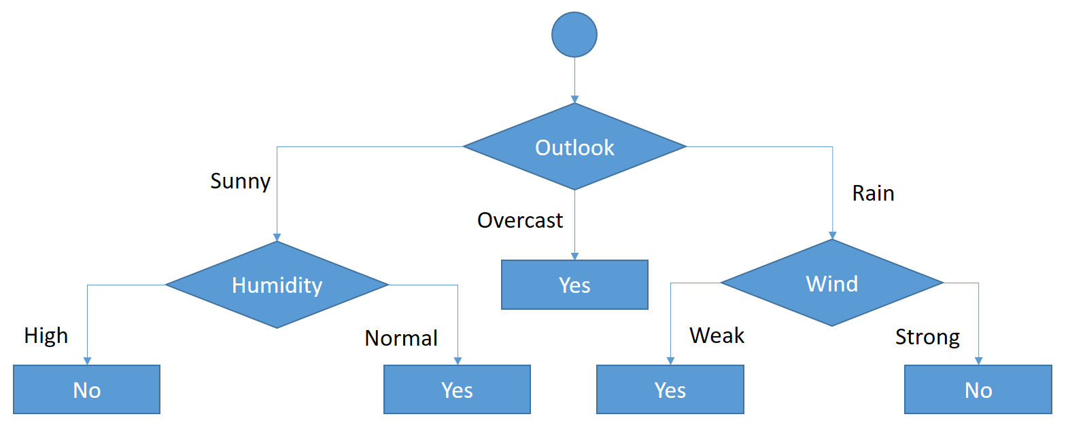
CART (Classification Regression Tree) :- uses Gini index as attribute selection measure, it is used for both regression and classificcation problem statement

Day | Outlook | Temp. | Humidity | Wind | Decision
1 | Sunny | Hot | High | Weak | No
2 | Sunny | Hot | High | Strong | No
3 | Overcast | Hot | High | Weak | Yes
4 | Rain | Mild | High | Weak | Yes
5 | Rain | Cool | Normal | Weak | Yes
6 | Rain | Cool | Normal | Strong | No
7 | Overcast | Cool | Normal | Strong | Yes
8 | Sunny | Mild | High | Weak | No
9 | Sunny | Cool | Normal | Weak | Yes
10 | Rain | Mild | Normal | Weak | Yes
11 | Sunny | Mild | Normal | Strong | Yes
12 | Overcast | Mild | High | Strong | Yes
13 | Overcast | Hot | Normal | Weak | Yes
14 | Rain | Mild | High | Strong | No

 | Gini index

 | Gini index is a metric for classification tasks in CART. It stores sum of squared probabilities of each class. We can formulate it as illustrated below.

 |  |  | Gini = 1 – Σ (Pi)2 for i=1 to number of classes

 | Outlook

 | Outlook is a nominal feature. It can be sunny, overcast or rain. I will summarize the final decisions for outlook feature.

 | Outlook | Yes | No | Number of instances
 | Sunny | 2 | 3 | 5
 | Overcast | 4 | 0 | 4
 | Rain | 3 | 2 | 5

 | Gini(Outlook=Sunny) = 1 – (2/5)2 – (3/5)2 = 1 – 0.16 – 0.36 = 0.48
 | Gini(Outlook=Overcast) = 1 – (4/4)2 – (0/4)2 = 0
 | Gini(Outlook=Rain) = 1 – (3/5)2 – (2/5)2 = 1 – 0.36 – 0.16 = 0.48
 | Then, we will calculate weighted sum of gini indexes for outlook feature.
 | Gini(Outlook) = (5/14) x 0.48 + (4/14) x 0 + (5/14) x 0.48 = 0.171 + 0 + 0.171 = 0.342

 | Temperature

 | Similarly, temperature is a nominal feature and it could have 3 different values: Cool, Hot and Mild. Let’s summarize decisions for temperature feature.

 | Temperature | Yes | No | Number of instances
 | Hot | 2 | 2 | 4
 | Cool | 3 | 1 | 4
 | Mild | 4 | 2 | 6

 | Gini(Temp=Hot) = 1 – (2/4)2 – (2/4)2 = 0.5
 | Gini(Temp=Cool) = 1 – (3/4)2 – (1/4)2 = 1 – 0.5625 – 0.0625 = 0.375
 | Gini(Temp=Mild) = 1 – (4/6)2 – (2/6)2 = 1 – 0.444 – 0.111 = 0.445
 | We’ll calculate weighted sum of gini index for temperature feature
 | Gini(Temp) = (4/14) x 0.5 + (4/14) x 0.375 + (6/14) x 0.445 = 0.142 + 0.107 + 0.190 = 0.439

 | Humidity

 | Humidity is a binary class feature. It can be high or normal.

 | Humidity | Yes | No | Number of instances
 | High | 3 | 4 | 7
 | Normal | 6 | 1 | 7

 | Gini(Humidity=High) = 1 – (3/7)2 – (4/7)2 = 1 – 0.183 – 0.326 = 0.489
 | Gini(Humidity=Normal) = 1 – (6/7)2 – (1/7)2 = 1 – 0.734 – 0.02 = 0.244
 | Weighted sum for humidity feature will be calculated next
 | Gini(Humidity) = (7/14) x 0.489 + (7/14) x 0.244 = 0.367

 | Wind

 | Wind is a binary class similar to humidity. It can be weak and strong.

 | Wind | Yes | No | Number of instances
 | Weak | 6 | 2 | 8
 | Strong | 3 | 3 | 6

 | Gini(Wind=Weak) = 1 – (6/8)2 – (2/8)2 = 1 – 0.5625 – 0.062 = 0.375
 | Gini(Wind=Strong) = 1 – (3/6)2 – (3/6)2 = 1 – 0.25 – 0.25 = 0.5
 | Gini(Wind) = (8/14) x 0.375 + (6/14) x 0.5 = 0.428

 | Time to decide

 | We’ve calculated gini index values for each feature. The winner will be outlook feature because its cost is the lowest.

 | Feature | Gini index
 | Outlook | 0.342
 | Temperature | 0.439
 | Humidity | 0.367
 | Wind | 0.428

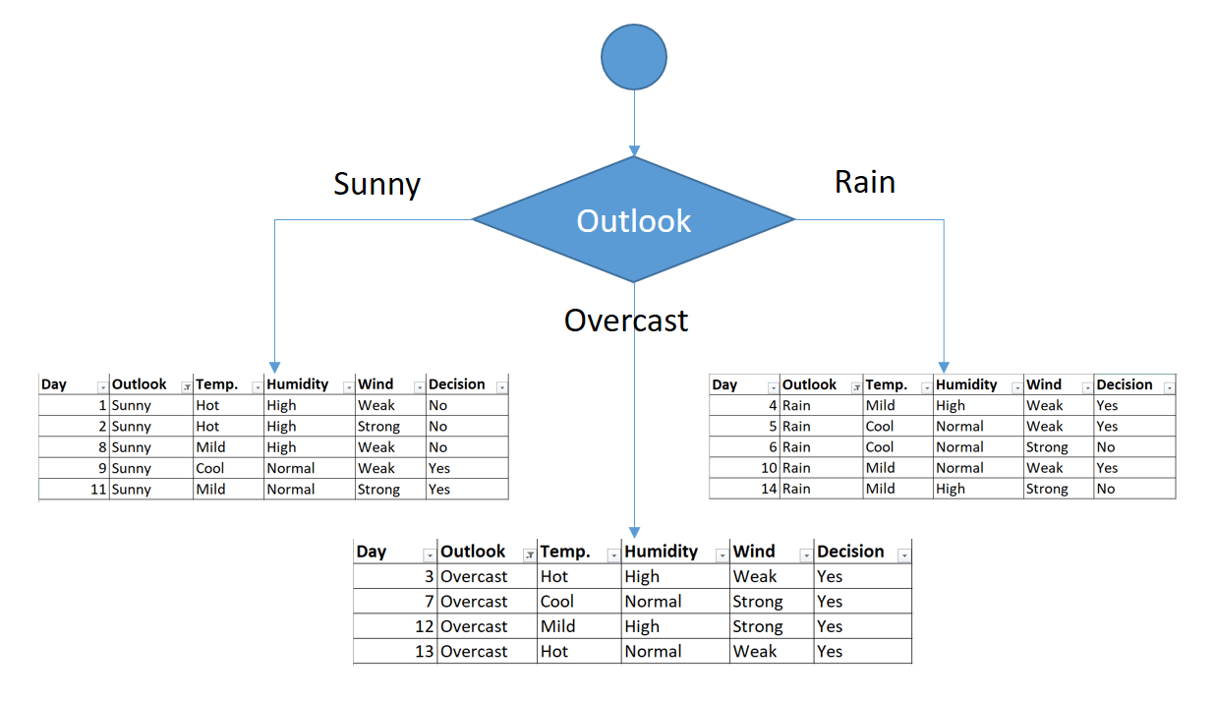
 | We’ll put outlook decision at the top of the tree.

Root Node

Outlook

Sunny
Rain
Overcast

 | You might realize that sub dataset in the overcast leaf has only yes decisions. This means that overcast leaf is over.

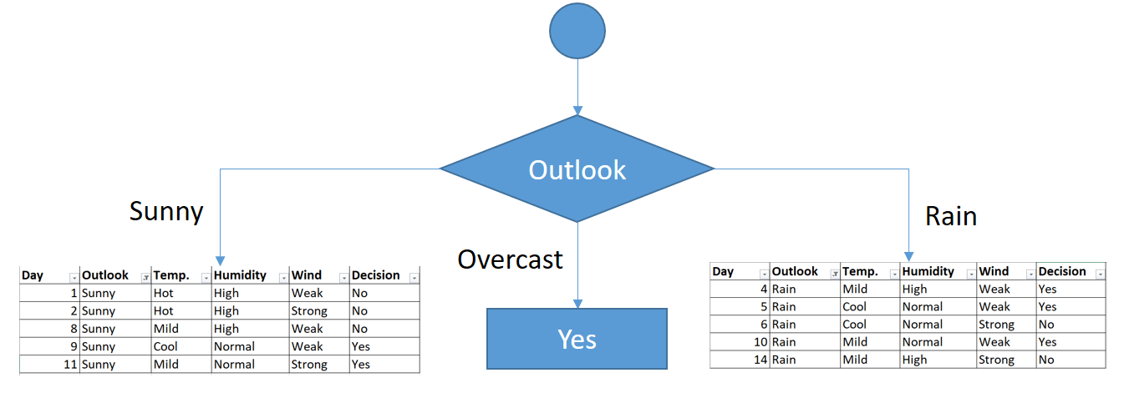

 | We will apply same principles to those sub datasets in the following steps.

 | Focus on the sub dataset for sunny outlook. We need to find the gini index scores for temperature, humidity and wind features respectively.

 | Day | Outlook | Temp. | Humidity | Wind | Decision
 | 1 | Sunny | Hot | High | Weak | No
 | 2 | Sunny | Hot | High | Strong | No
 | 8 | Sunny | Mild | High | Weak | No
 | 9 | Sunny | Cool | Normal | Weak | Yes
 | 11 | Sunny | Mild | Normal | Strong | Yes

 | Gini of temperature for sunny outlook

 | Temperature | Yes | No | Number of instances
 | Hot | 0 | 2 | 2
 | Cool | 1 | 0 | 1
 | Mild | 1 | 1 | 2

 | Gini(Outlook=Sunny and Temp.=Hot) = 1 – (0/2)2 – (2/2)2 = 0
 | Gini(Outlook=Sunny and Temp.=Cool) = 1 – (1/1)2 – (0/1)2 = 0
 | Gini(Outlook=Sunny and Temp.=Mild) = 1 – (1/2)2 – (1/2)2 = 1 – 0.25 – 0.25 = 0.5
 | Gini(Outlook=Sunny and Temp.) = (2/5)x0 + (1/5)x0 + (2/5)x0.5 = 0.2

 | Gini of humidity for sunny outlook

 | Humidity | Yes | No | Number of instances
 | High | 0 | 3 | 3
 | Normal | 2 | 0 | 2

 | Gini(Outlook=Sunny and Humidity=High) = 1 – (0/3)2 – (3/3)2 = 0
 | Gini(Outlook=Sunny and Humidity=Normal) = 1 – (2/2)2 – (0/2)2 = 0
 | Gini(Outlook=Sunny and Humidity) = (3/5)x0 + (2/5)x0 = 0

 | Gini of wind for sunny outlook

 | Wind | Yes | No | Number of instances
 | Weak | 1 | 2 | 3
 | Strong | 1 | 1 | 2

 | Gini(Outlook=Sunny and Wind=Weak) = 1 – (1/3)2 – (2/3)2 = 0.266
 | Gini(Outlook=Sunny and Wind=Strong) = 1- (1/2)2 – (1/2)2 = 0.2
 | Gini(Outlook=Sunny and Wind) = (3/5)x0.266 + (2/5)x0.2 = 0.466

 | Decision for sunny outlook

 | We’ve calculated gini index scores for feature when outlook is sunny. The winner is humidity because it has the lowest value.

 | Feature | Gini index
 | Temperature | 0.2
 | Humidity | 0
 | Wind | 0.466

 | We’ll put humidity check at the extension of sunny outlook.

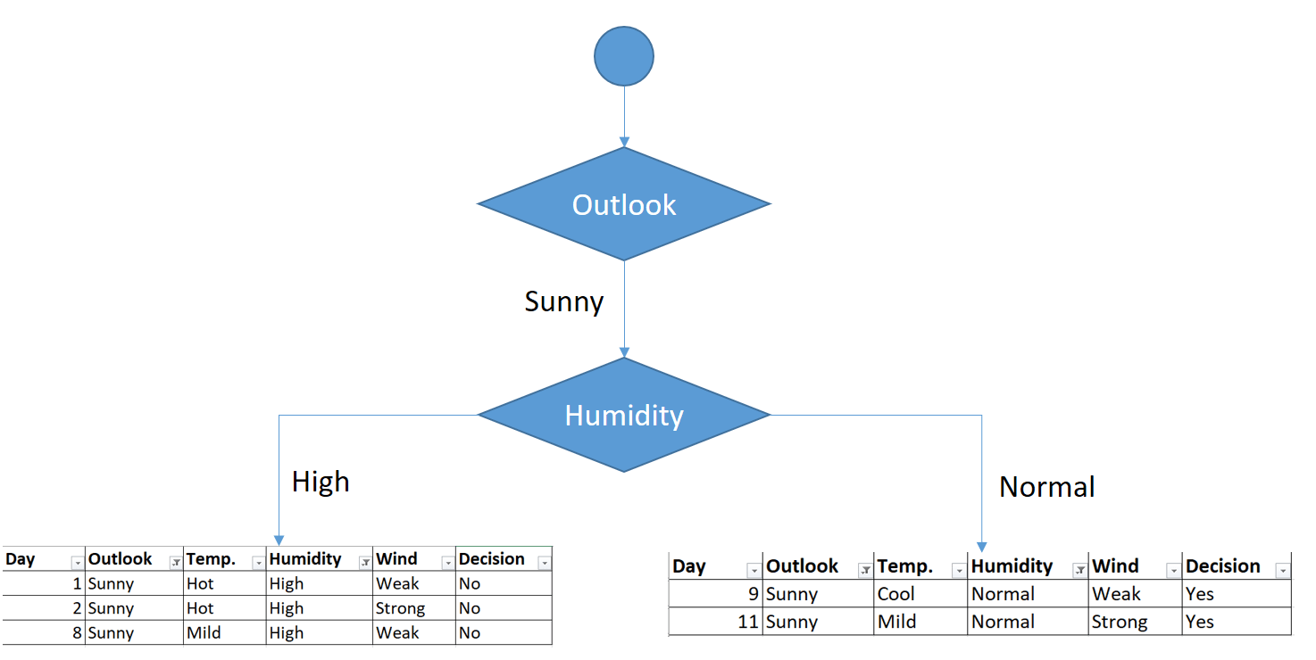

 | As seen, decision is always no for high humidity and sunny outlook. On the other hand, decision will always be yes for normal humidity and sunny outlook. This branch is over.

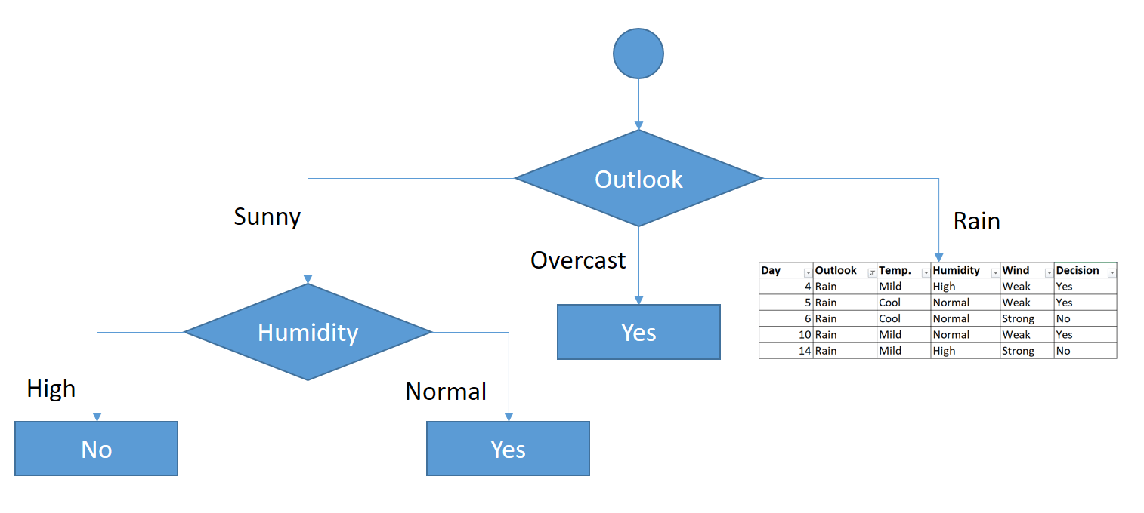

 | Now, we need to focus on rain outlook.

 | Rain outlook

 | Day | Outlook | Temp. | Humidity | Wind | Decision
 | 4 | Rain | Mild | High | Weak | Yes
 | 5 | Rain | Cool | Normal | Weak | Yes
 | 6 | Rain | Cool | Normal | Strong | No
 | 10 | Rain | Mild | Normal | Weak | Yes
 | 14 | Rain | Mild | High | Strong | No

 | We’ll calculate gini index scores for temperature, humidity and wind features when outlook is rain.

 | Gini of temprature for rain outlook

 | Temperature | Yes | No | Number of instances
 | Cool | 1 | 1 | 2
 | Mild | 2 | 1 | 3

 | Gini(Outlook=Rain and Temp.=Cool) = 1 – (1/2)2 – (1/2)2 = 0.5
 | Gini(Outlook=Rain and Temp.=Mild) = 1 – (2/3)2 – (1/3)2 = 0.444
 | Gini(Outlook=Rain and Temp.) = (2/5)x0.5 + (3/5)x0.444 = 0.466

 | Gini of humidity for rain outlook

 | Humidity | Yes | No | Number of instances
 | High | 1 | 1 | 2
 | Normal | 2 | 1 | 3

 | Gini(Outlook=Rain and Humidity=High) = 1 – (1/2)2 – (1/2)2 = 0.5
 | Gini(Outlook=Rain and Humidity=Normal) = 1 – (2/3)2 – (1/3)2 = 0.444
 | Gini(Outlook=Rain and Humidity) = (2/5)x0.5 + (3/5)x0.444 = 0.466

 | Gini of wind for rain outlook

 | Wind | Yes | No | Number of instances
 | Weak | 3 | 0 | 3
 | Strong | 0 | 2 | 2

 | Gini(Outlook=Rain and Wind=Weak) = 1 – (3/3)2 – (0/3)2 = 0
 | Gini(Outlook=Rain and Wind=Strong) = 1 – (0/2)2 – (2/2)2 = 0
 | Gini(Outlook=Rain and Wind) = (3/5)x0 + (2/5)x0 = 0

 | Decision for rain outlook

 | The winner is wind feature for rain outlook because it has the minimum gini index score in features.

 | Feature | Gini index
 | Temperature | 0.466
 | Humidity | 0.466
 | Wind | 0

 | Put the wind feature for rain outlook branch and monitor the new sub data sets.

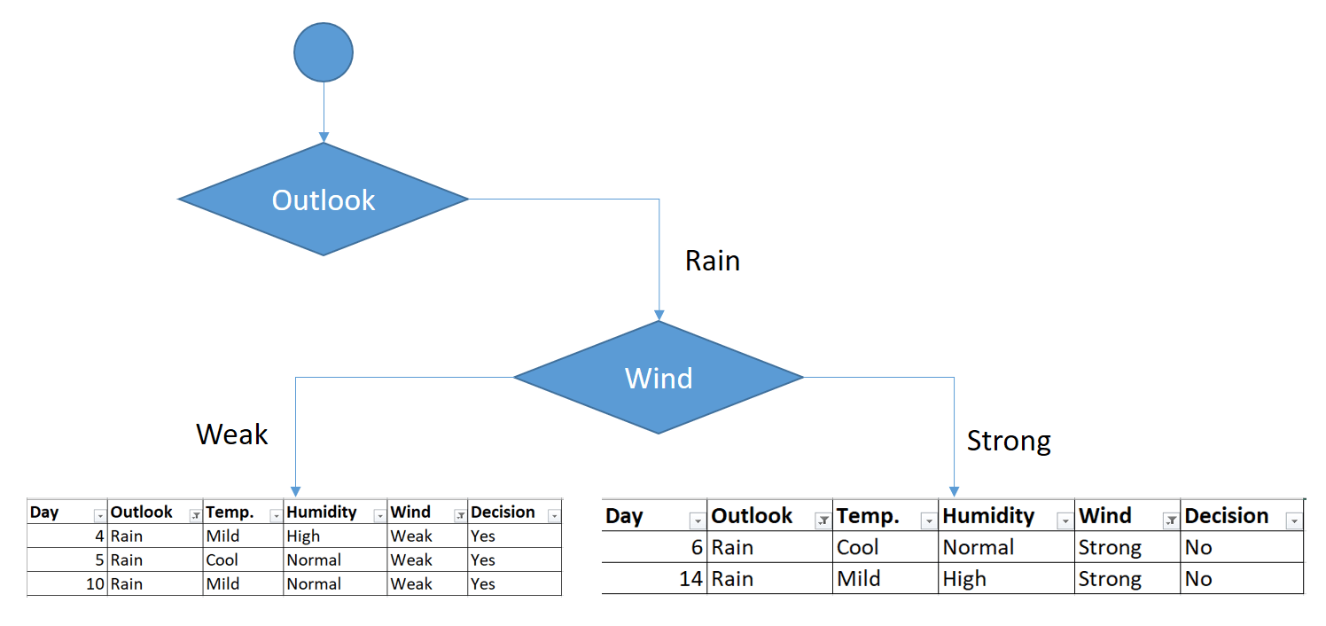

 | As seen, decision is always yes when wind is weak. On the other hand, decision is always no if wind is strong. This means that this branch is over.

